General Data
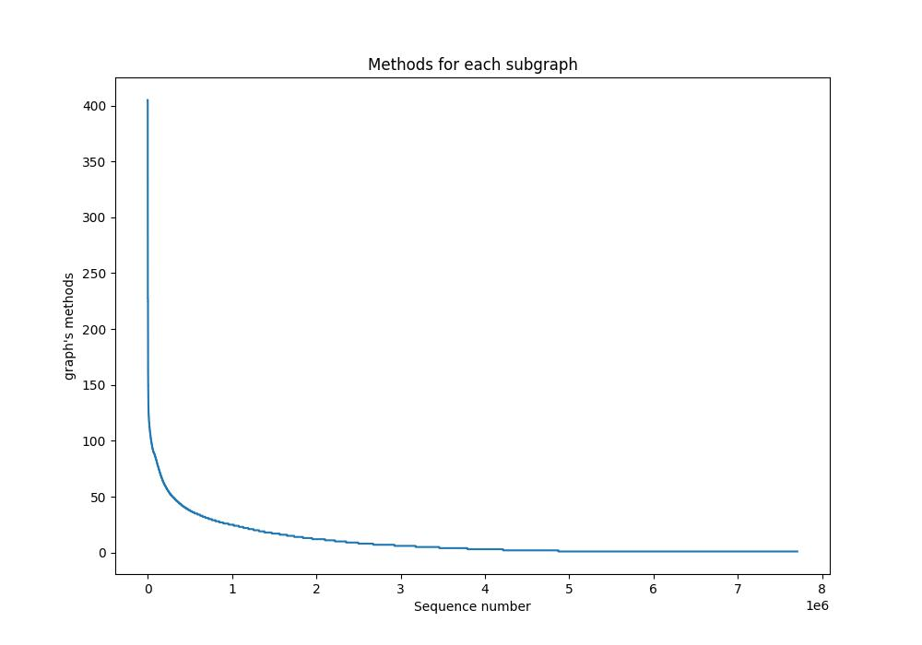
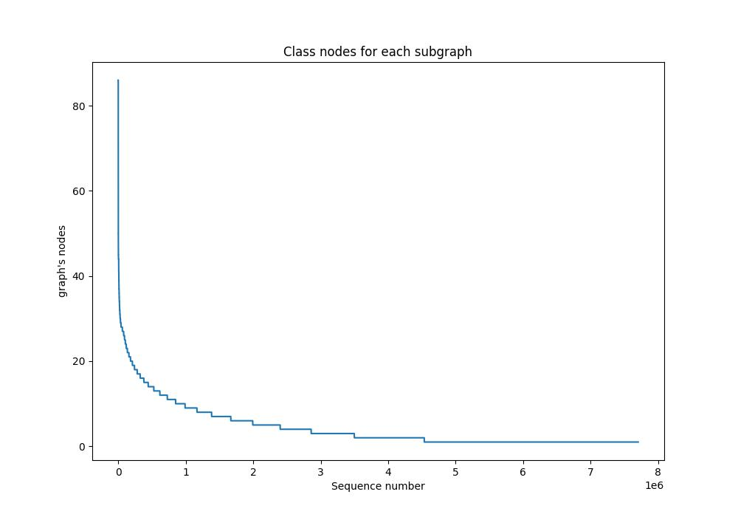
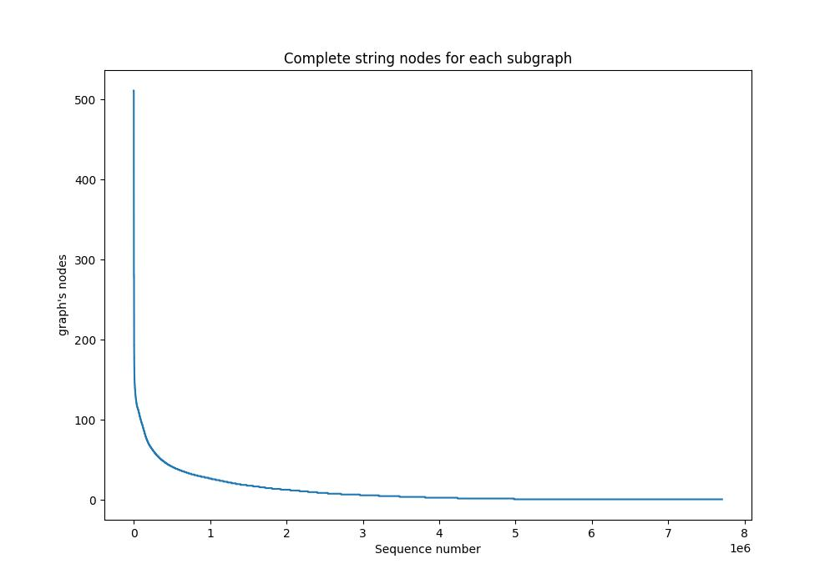
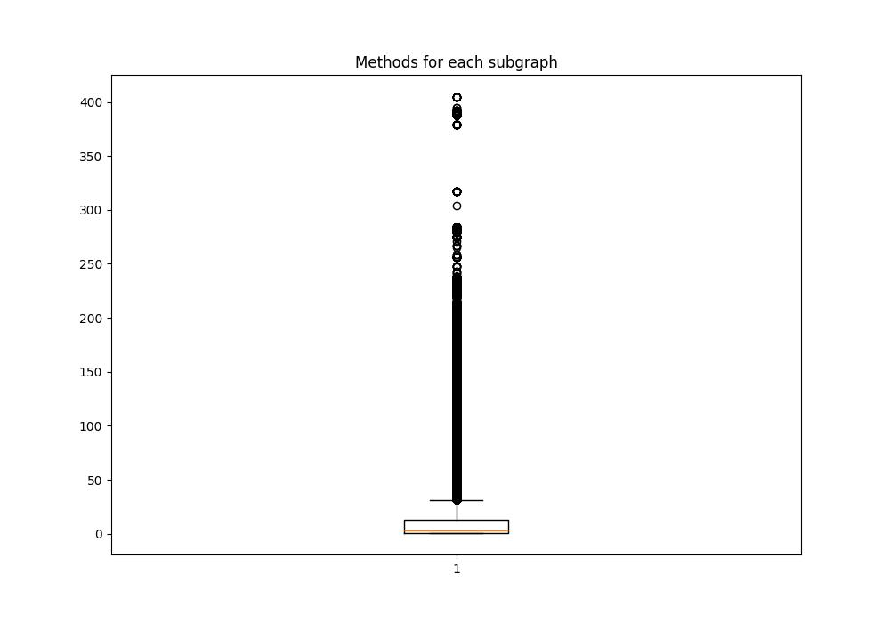
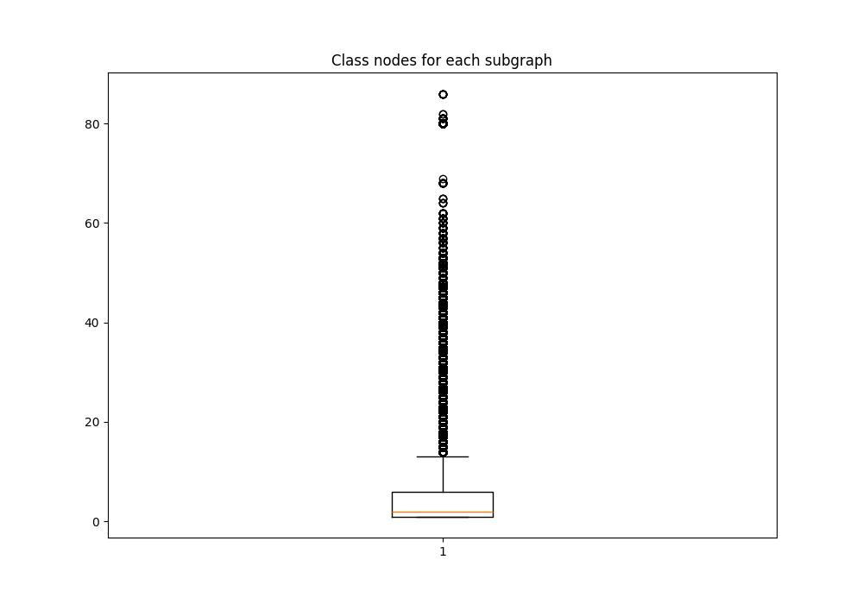
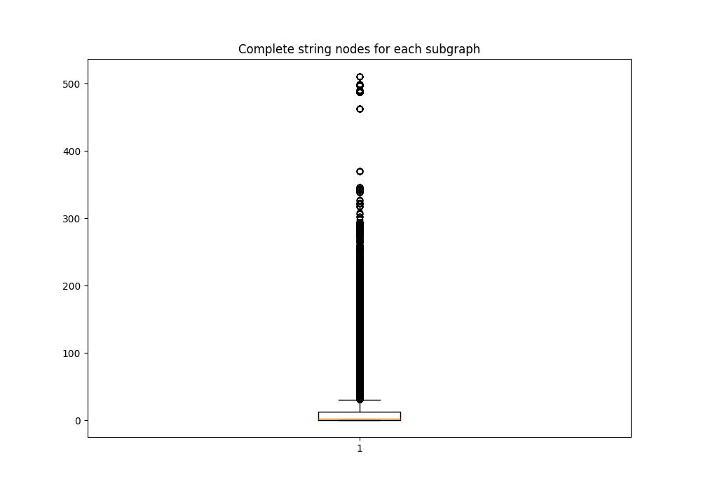
 | TOT EXAMPLE | train | test

ESEMPI BENIGNI | 21186 | 16948 | 4238

ESEMPI MALIGNI | 22625 | 18100 | 4525

SUBGRAPH BENIGN |  |  |  |  |  | SUBGRAPH MALICIOUS

 | ACTIVITY | RECEIVER | SERVICE | PROVIDER |  |  | ACTIVITY | RECEIVER | SERVICE | PROVIDER
MAX | 9919 | 258 | 961 | 523 |  | MAX | 9091 | 469 | 527 | 244
MIN | 1 | 1 | 1 | 1 |  | MIN | 1 | 1 | 1 | 1
MEAN | 275.66 | 12.67 | 34.03 | 13.2 |  | MEAN | 289.2 | 11.72 | 35.2 | 5.58
DEV STAN | 556.42 | 15.34 | 43.14 | 17.56 |  | DEV STAN | 499.25 | 15.72 | 48.48 | 15.55

 | DATASET TOTAL NUMBER OF METHODS: 4044 |  |  |  | SUBGRAPH = LEVEL TWO SEQUENCE |  |  |  |  | DATASET TOTAL NUMBER OF CLASSES: 1061 | DATASET TOTAL NUMBER OF COMPLETE_STRING: 7729

 | FOR EACH SUBGRAPH: |  |  |  |  |  |  |  |  | FOR EACH SUBGRAPH: | FOR EACH SUBGRAPH:
 | max number of methods: 405 |  |  |  |  |  |  |  |  | max number of classes: 86 | max number of complete string: 511
 | min number of methods: 1 |  |  |  |  |  |  |  |  | min number of classes: 1 | min number of complete string: 1
 | mean number of methods: 10,6 |  |  |  |  |  |  |  |  | mean number of classes: 4,4 | mean number of complete string: 11,7
 | standard deviation number of methods: 17,6 |  |  |  |  |  |  |  |  | standard deviation number of classes: 5,3 | standard deviation number of complete string: 20,6

 | EX: <init> |  |  |  |  |  |  |  |  | EX: Landroid/content/Intent | EX: Landroid/content/Intent;-><init>

